Sheet1
Butterfly Spread Construction
Buy 1 ITM Call Sell 2 ATM Calls Buy 1 OTM Call
Long Call Butterfly
Long butterfly spreads are entered when the investor thinks that the underlying stock will not rise or fall much by expiration. Using calls, the long butterfly can be constructed by buying one lower striking in-the-money call, writing two at-the-money calls and buying another higher striking out-of-the-money call. A resulting net debit is taken to enter the trade.
Butterfly Spread Payoff Diagram
Limited Profit
Maximum profit for the long butterfly spread is attained when the underlying stock price remains unchanged at expiration. At this price, only the lower striking call expires in the money.
The formula for calculating maximum profit is given below:
Max Profit = Strike Price of Short Call - Strike Price of Lower Strike Long Call - Net Premium Paid - Commissions Paid
Max Profit Achieved When Price of Underlying = Strike Price of Short Calls
Limited Risk
Maximum loss for the long butterfly spread is limited to the initial debit taken to enter the trade plus commissions.
The formula for calculating maximum loss is given below:
Max Loss = Net Premium Paid + Commissions Paid
Max Loss Occurs When Price of Underlying <= Strike Price of Lower Strike Long Call OR Price of Underlying >= Strike Price of Higher Strike Long Call
Breakeven Point(s)
There are 2 break-even points for the butterfly spread position. The breakeven points can be calculated using the following formulae.
Upper Breakeven Point = Strike Price of Higher Strike Long Call - Net Premium Paid
Lower Breakeven Point = Strike Price of Lower Strike Long Call + Net Premium Paid
Example
Suppose XYZ stock is trading at $40 in June. An options trader executes a long call butterfly by purchasing a JUL 30 call for $1100, writing two JUL 40 calls for $400 each and purchasing another JUL 50 call for $100. The net debit taken to enter the position is $400, which is also his maximum possible loss.
On expiration in July, XYZ stock is still trading at $40. The JUL 40 calls and the JUL 50 call expire worthless while the JUL 30 call still has an intrinsic value of $1000. Subtracting the initial debit of $400, the resulting profit is $600, which is also the maximum profit attainable.
Maximum loss results when the stock is trading below $30 or above $50. At $30, all the options expires worthless. Above $50, any "profit" from the two long calls will be neutralised by the "loss" from the two short calls. In both situations, the butterfly trader suffers maximum loss which is the initial debit taken to enter the trade.
 |  |  |  |  | Draw a long call butterfly.
 |  |  |  |  | When and why does an investor implement such a strategy?

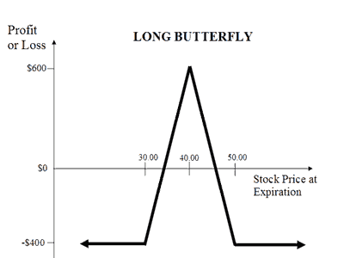

action | strike price | call price | Stock Price | Profit / Loss
buy | 30 | 1100 | 0 | -400
short | 40 | 800 | 20 | -400
buy | 50 | 100 | 30 | -400
cost |  | 400 | 35 | 100
 |  |  | 40 | 600
 |  |  | 45 | 100
 |  |  | 50 | -400
 |  |  | 60 | -400
 |  |  | 80 | -400

 | 3,-40
 | 4,60
 | m=100
 | y=100x-340
 | y=10x-34
 | x=34

